Sheet1
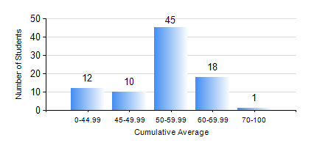
 |  |  | KWAME NKRUMAH UNIVERSITY OF SCIENCE AND TECHNOLOGY, KUMASI Department of Agricultural and Biosystems Engineering

 |  |  | BSC. AGRICULTURAL ENG.

 |  |  | COMPREHENSIVE RECORD OF EXAMINATION RESULTS

 |  |  | RESULTS OF YEAR 2 SECOND SEMESTER, 2018/2019 ACADEMIC YEAR

 | Sn | Course Code |  | Course Name | Credit Hours | Min. Mark | Max. Mark | Avg. Mark | Std. Dev. | No. Passed | No. Trailed | No. (Df) | No. (I) | No. (I*) | No. Tagged(I,I*,Df) | Total
 | 0. |  |  |  |  |  |  | 0 | 0 | 0 | 0 | 0 | 0 | 0 | 0 | 13
 | 1. | EE 252 |  | ELECTRICAL ENGINEERING MACHINES | 3 | 35 | 80 | 58 | 8.89 | 72 | 1 | 0 | 0 | 0 | 0 | 73
 | 2. | ENGL 264 |  | LITERATURE IN ENGLISH II | 1 | 47 | 75 | 65 | 5.92 | 73 | 0 | 0 | 0 | 0 | 0 | 73
 | 3. | GE 286 |  | PRINCIPLES OF SURVEYING | 4 | 31 | 86 | 56 | 11.96 | 72 | 1 | 0 | 0 | 0 | 0 | 73
 | 4. | MATH 252 |  | ANALYSIS IV | 4 | 15 | 81 | 48 | 13.03 | 65 | 8 | 0 | 0 | 0 | 0 | 73
 | 5. | ME 262 |  | THEORY OF MACHINES | 3 | 17 | 73 | 47 | 10.71 | 66 | 7 | 0 | 0 | 0 | 0 | 73
 | 6. | ME 282 |  | MECHANICAL ENGINEERING MATERIALS II | 3 | 14 | 90 | 59 | 13.94 | 69 | 4 | 0 | 0 | 0 | 0 | 73
 | 7. | ME 296 |  | MECHANICAL ENGINEERING LAB. II | 1 | 29 | 80 | 69 | 8.27 | 72 | 1 | 0 | 0 | 0 | 0 | 73

